HEY DUDE
 |  |  |  |  |  |  |  |  |  | YOUTH | 11 | 12 | 13 | 1 | 2 | 3 | 4 | 5 | 6
 |  |  |  |  |  |  |  |  | US SIZE | WOMAN |  |  |  |  |  |  | 5 | 6 | 7 | 8 | 9 | 10 | 11 | 12
 |  |  |  |  |  |  |  |  |  | MAN |  |  |  |  |  |  |  |  |  |  | 7 | 8 | 9 | 10 | 11 | 12 | 13 | 14 | 15
SEASON CODE | IMAGE | OLD SKU | NEW SKU | ART | COLOR | US WHS | US RRP | Shoe loges, (New/Old) | SKU (New/Old) | BOX TYPE | 30 | 31 | 32 | 33 | 34 | 35 | 36 | 37 | 38 | 39 | 40 | 41 | 42 | 43 | 44 | 45 | 46 | 47 | 48 | TOTAL QTY
carryovers | 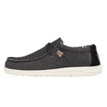 | 40007-025 | 40007-025 | WALLY KNIT | CHARCOAL | $27.27 | $59.99 |  |  |  |  |  |  |  |  |  |  |  |  |  | 20 | 25 | 54 | 81 | 151 | 110 | 69 | 48 | 6 | 564
carryovers | 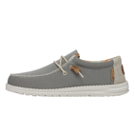 | 40007-2V3 | 40007-2V3 | WALLY KNIT | COBBLESTONE | $27.27 | $59.99 |  |  |  |  |  |  |  |  |  |  |  |  |  | 108 | 142 | 290 | 384 | 420 | 254 | 202 | 108 |  | 1908
carryovers | 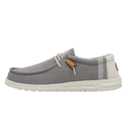 | 40015-030 | 40015-030 | WALLY BREAK STITCH | GREY | $27.27 | $59.99 |  |  |  |  |  |  |  |  |  |  |  |  |  |  | 200 | 332 | 58 | 3 | 225 | 165 | 60 | 0 | 1043
carryovers | 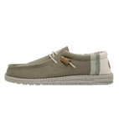 | 40015-3VG | 40015-3VG | WALLY BREAK STITCH | MOWS | $27.27 | $59.99 |  |  |  |  |  |  |  |  |  |  |  |  |  | 33 | 12 | 30 | 0 | 168 | 162 | 156 | 93 |  | 654
carryovers |  | 40017-9BK | 40017-9BK | WALLY SERAPE | BLUE CANYON | $29.54 | $64.99 |  |  |  |  |  |  |  |  |  |  |  |  |  |  | 24 | 24 | 24 | 24 | 24 | 12 | 12 |  | 144
carryovers | 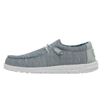 | 40019-1HN | 40019-1HN | WALLY SOX | ICE GREY | $25.00 | $54.99 |  |  |  |  |  |  |  |  |  |  |  |  |  | 60 | 179 | 1540 | 4137 | 3999 | 3838 | 1403 | 36 | 0 | 15192
carryovers | 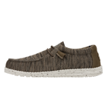 | 40019-255 | 40019-255 | WALLY SOX | BROWN | $25.00 | $54.99 |  |  |  |  |  |  |  |  |  |  |  |  |  | 120 | 4139 | 5338 | 4209 | 2907 | 3730 | 2663 |  |  | 23106
carryovers | 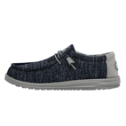 | 40019-4ML | 40019-4ML | WALLY SOX | MOONLIT OCEAN | $25.00 | $54.99 |  |  |  |  |  |  |  |  |  |  |  |  |  |  | 589 | 854 | 849 | 843 | 794 | 583 |  |  | 4512
carryovers | 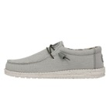 | 40020-1HA | 40020-1HA | WALLY SOX TRIPLE NEEDLE | FOG | $27.27 | $59.99 |  |  |  |  |  |  |  |  |  |  |  |  |  |  |  | 42 | 93 | 225 | 162 | 75 | 48 | 24 | 669
carryovers | 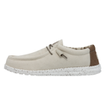 | 40022-105 | 40022-105 | WALLY STRETCH CANVAS | IVORY | $27.27 | $59.99 |  |  |  |  |  |  |  |  |  |  |  |  |  | 84 | 378 | 546 | 588 | 732 | 714 | 522 | 120 | 24 | 3708
carryovers | 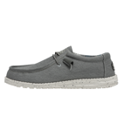 | 40022-1HO | 40022-1HO | WALLY STRETCH CANVAS | IRON | $27.27 | $59.99 |  |  |  |  |  |  |  |  |  |  |  |  |  | 144 | 340 | 482 | 636 | 696 | 542 | 406 | 132 | 36 | 3414
carryovers | 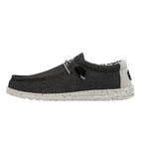 | 40022-1HX | 40022-1HX | WALLY STRETCH CANVAS | OPAL BLACK | $27.27 | $59.99 |  |  |  |  |  |  |  |  |  |  |  |  |  | 96 | 274 | 362 | 420 | 552 | 506 | 394 | 120 | 24 | 2748
carryovers | 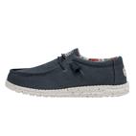 | 40022-425 | 40022-425 | WALLY STRETCH CANVAS | BLUE | $27.27 | $59.99 |  |  |  |  |  |  |  |  |  |  |  |  |  | 30 | 568 | 1316 | 1920 | 2064 | 1454 | 928 | 132 | 36 | 8448
carryovers | 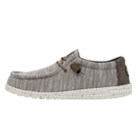 | 40025-2AC | 40025-2AC | WALLY STRETCH MIX | LIMESTONE | $27.27 | $59.99 |  |  |  |  |  |  |  |  |  |  |  |  |  | 12 | 186 | 234 | 102 | 90 | 210 | 168 | 6 | 6 | 1014
carryovers | 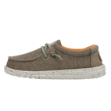 | 40049-2AS | 40049-2AS | WALLY YOUTH SOX | SAHARA | $20.45 | $44.99 |  |  |  | 24 | 30 | 24 | 30 | 30 | 60 | 60 | 78 | 78 |  |  |  |  |  |  |  |  |  |  | 414
carryovers |  | 40049-3VB | 40049-3VB | WALLY YOUTH SOX | MUSK | $20.45 | $44.99 |  |  |  | 36 | 36 | 36 | 48 | 48 | 72 | 72 | 96 | 96 |  |  |  |  |  |  |  |  |  |  | 540
carryovers |  | 40049-4MS | 40049-4MS | WALLY YOUTH SOX | OCEAN BLUE | $20.45 | $44.99 |  |  |  | 72 | 72 | 66 | 114 | 108 | 132 | 132 | 156 | 108 |  |  |  |  |  |  |  |  |  |  | 960
carryovers |  | 40050-030 | 40050-030 | WALLY YOUTH STRETCH | GREY | $20.45 | $44.99 |  |  |  | 84 | 84 | 83 | 119 | 118 | 142 | 142 | 166 | 94 |  |  |  |  |  |  |  |  |  |  | 1032
carryovers |  | 40054-001 | 40054-001 | WENDY BOHO | BLACK | $27.27 | $59.99 |  |  |  |  |  |  |  |  |  | 32 | 64 | 168 | 312 | 340 | 200 | 84 |  |  |  |  |  |  | 1200
carryovers | 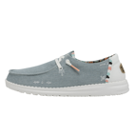 | 40054-4MH | 40054-4MH | WENDY BOHO | LIGHT DENIM | $27.27 | $59.99 |  |  |  |  |  |  |  |  |  |  | 89 | 348 | 444 | 470 | 253 | 60 |  |  |  |  |  |  | 1664
carryovers | 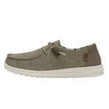 | 40058-330 | 40058-330 | WENDY CHAMBRAY | SAGE | $25.00 | $54.99 |  |  |  |  |  |  |  |  |  |  | 536 | 1006 | 1275 | 1221 | 739 | 143 |  |  |  |  |  |  | 4920
carryovers |  | 40061-2Z6 | 40061-2Z6 | WENDY KNIT II | DESERT ROSE | $29.54 | $64.99 |  |  |  |  |  |  |  |  |  |  | 24 | 48 | 48 | 48 | 24 |  |  |  |  |  |  |  | 192
carryovers |  | 40062-100 | 40062-100 | WENDY KNIT | WHITE | $29.54 | $64.99 |  |  |  |  |  |  |  |  |  |  | 24 | 48 | 48 | 48 | 24 |  |  |  |  |  |  |  | 192
carryovers |  | 40064-2BA | 40064-2BA | WENDY FLORA | SUNFLOWER BEIGE | $27.27 | $59.99 |  |  |  |  |  |  |  |  |  |  | 36 | 72 | 144 | 144 | 60 | 24 |  |  |  |  |  |  | 480
carryovers |  | 40065-3UW | 40065-3UW | WENDY FUNK MONO | ICED MINT | $29.54 | $64.99 |  |  |  |  |  |  |  |  |  | 6 | 30 | 54 | 54 | 54 | 30 | 12 | 12 |  |  |  |  |  | 252
carryovers |  | 40065-6UT | 40065-6UT | WENDY FUNK MONO | ROSE SAND | $29.54 | $64.99 |  |  |  |  |  |  |  |  |  |  | 24 | 48 | 48 | 48 | 24 |  |  |  |  |  |  |  | 192
carryovers |  | 40071-0YK | 40071-0YK | WENDY FRINGE | CARBON | $27.27 | $59.99 |  |  |  |  |  |  |  |  |  | 36 | 78 | 96 | 144 | 126 | 36 | 12 | 12 |  |  |  |  |  | 540
carryovers |  | 40071-1K5 | 40071-1K5 | WENDY FRINGE | SALT | $27.27 | $59.99 |  |  |  |  |  |  |  |  |  |  | 36 | 72 | 144 | 144 | 60 | 24 |  |  |  |  |  |  | 480
carryovers |  | 40071-662 | 40071-662 | WENDY FRINGE | ROSE | $27.27 | $59.99 |  |  |  |  |  |  |  |  |  | 42 | 84 | 120 | 120 | 42 |  |  |  |  |  |  |  |  | 408
carryovers |  | 40074-1HT | 40074-1HT | WENDY RISE | LUNAR ROCK | $27.27 | $59.99 |  |  |  |  |  |  |  |  |  | 47 | 424 | 699 | 771 | 760 | 485 | 81 |  |  |  |  |  |  | 3267
carryovers |  | 40074-2YU | 40074-2YU | WENDY RISE | CHAMBRAY SANDSHELL | $27.27 | $59.99 |  |  |  |  |  |  |  |  |  |  | 322 | 650 | 720 | 792 | 428 | 58 |  |  |  |  |  |  | 2970
carryovers |  | 40074-6VM | 40074-6VM | WENDY RISE | CHAMBRAY ROSE | $27.27 | $59.99 |  |  |  |  |  |  |  |  |  |  | 238 | 357 | 465 | 490 | 323 | 60 |  |  |  |  |  |  | 1933
carryovers |  | 40078-410 | 40078-410 | WENDY SOX | NAVY | $25.00 | $54.99 |  |  |  |  |  |  |  |  |  | 1502 | 3018 | 2964 | 3116 | 1558 |  |  |  |  |  |  |  |  | 12158
carryovers |  | 40078-6JN | 40078-6JN | WENDY SOX | LIGHT PINK | $25.00 | $54.99 |  |  |  |  |  |  |  |  |  | 46 | 44 |  | 24 | 80 | 70 | 12 |  |  |  |  |  |  | 276
carryovers |  | 40078-9BI | 40078-9BI | WENDY SOX | AURORA WHITE | $25.00 | $54.99 |  |  |  |  |  |  |  |  |  |  |  | 16 | 42 | 96 | 66 | 48 |  |  |  |  |  |  | 268
carryovers |  | 40078-9C9 | 40078-9C9 | WENDY SOX | SUNSET PINK | $25.00 | $54.99 |  |  |  |  |  |  |  |  |  |  |  | 36 | 36 | 36 | 24 | 12 |  |  |  |  |  |  | 144
carryovers |  | 40099-4NI | 40099-4NI | WENDY YOUTH | SPARKLE DENIM | $22.72 | $49.99 |  |  |  | 24 | 24 | 24 | 36 | 36 | 36 | 36 | 36 |  |  |  |  |  |  |  |  |  |  |  | 252
carryovers | 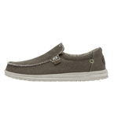 | 40124-2BS | 40124-2BS | MIKKA BRAIDED | FOSSIL | $25.00 | $54.99 |  |  |  |  |  |  |  |  |  |  |  |  |  |  | 12 | 12 | 24 | 24 | 24 | 24 | 24 |  | 144
carryovers |  | 40127-0YR | 40127-0YR | PHOENIX | DARK QUARRY CAMO | $20.45 | $44.99 |  |  |  |  |  |  |  |  |  |  |  |  |  | 60 | 96 | 96 | 96 | 96 | 96 | 60 | 48 |  | 648
carryovers |  | 40127-1IZ | 40127-1IZ | PHOENIX | TRI GHOST | $20.45 | $44.99 |  |  |  |  |  |  |  |  |  |  |  |  |  | 60 | 72 | 72 | 72 | 72 | 72 | 60 | 48 |  | 528
carryovers | 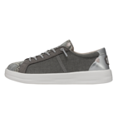 | 40154-1IN | 40154-1IN | KARINA | SILVER PYTHON | $29.54 | $64.99 |  |  |  |  |  |  |  |  |  |  |  | 30 | 30 | 60 | 60 |  |  |  |  |  |  |  | 180

 |  |  |  |  |  |  |  |  |  |  | 240 | 246 | 233 | 347 | 340 | 442 | 2153 | 5603 | 7208 | 7985 | 7384 | 10142 | 12254 | 13717 | 13066 | 12917 | 7890 | 1035 | 156 | 103358

